Maturity Model Purpose
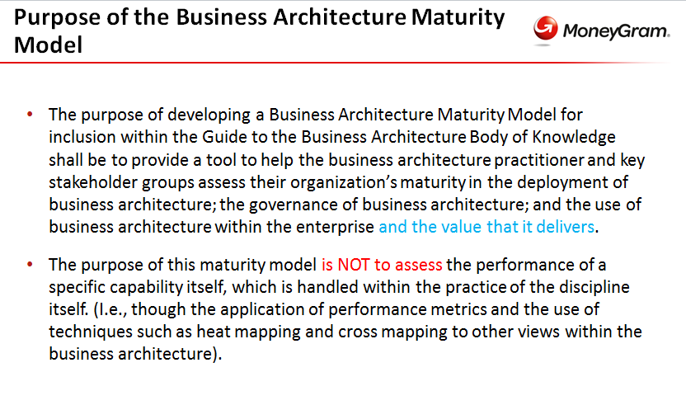

BIZBOK Crosswalk Proposal
Maturity Level | Process Area (BIZBOK™ section) | Maps to What Proposed MM Category? | BIZBOK™ Section # | Team Member Assigned to Review for Proposed Evidence for Maturity | Review Status (not started/in process/ready for peer review/complete) | Peer Reviewer Assigned | Is it expected that content is Required/Conditional for Maturity Validation?

Team- please complete the review of your assigned sections of the BIZBOK(TM) according to the crosswalk to the left.
Please determine whether the section contains "evidence" that should be used to help assess the maturity of the business architecture practice. If you need to, make sure you refer back to the maturity model purpose we outlined earlier in our working group. Find it on tab 1 in this workbook.
Please use the Proposed MM WD tab to document your ideas for what objective evidence would be used AND at what level of maturity you might place that evidence. Please make sure to use your assigned evidence row so that if multiple people are providing content for a particular category we will all be able to see who provided what feedback when it is all brought together in one workbook.
1 | n/a | n/a | 1 | Mary | complete- no mapping to model
2 | Common Approaches to Getting Started | n/a | 3.1 | Mary | complete- no mapping to model |  | Conditional
2 | Business Architecture Governance | Governance Management Involvement Communication | 3.2 | Judith | ready for peer review | Annie | Required
2 | Business Architecture and Business Model Frameworks | Business Strategy Linkage | 3.3 | Tony | ? |  | Required

3 | Capability Mapping | Architecture Process and Development | 2.2 | Eric | ready for peer review | Sue | Required

3 | Value Mapping | Architecture Process and Development | 2.4 | Mary | ready for peer review | Judith | Required

3 | Information Mapping | Architecture Process and Development | 2.5 | Mary | ready for peer review | Eric | Required

3 | Organization Mapping | Architecture Process and Development | 2.3 | Mary | ready for peer review | Taurai | Required
3 | Mapping the Extending Business Architecture | Architecture Process and Development | 2.1 2.6 2.7 2.8 | Judith | ready for peer review | Mary | Conditional
3 | Business Architecture and Business Process Modeling | Architecture Process and Development | 3.4 | Cheryl | ready for peer review | Mary | Conditional
3 | Part 5: The Business Architecture Knowledgebase (Establishment of a mechanism to store shared assets and establishment of the necessary controls to ensure proper configuration mgmt) | Tools & Content | 5 | Mary | ready for peer review | Annie | Required
3 | Part 8: Industry Reference Models | Tools & Content | 8 | Tony | ? |  | Conditional
4 | Business Architecture and Lean Six Sigma | Architecture Process and Development | 3.6 | Taurai | ready for peer review |  | Conditional
4 | Business Architecture and Business Performance Management | Business Performance Management (Measures of Success) | 3.7 | Mary | complete- no mapping to model |  | Required
4 | Business Architecture Tooling Options | Tools & Content | 3.8 | Mary | complete- no mapping to model |  | Conditional
4 | Business Architecture and Case Management | Architecture Process and Development | 3.5 | Judith | ready for peer review | Eric | Conditional
4 | Part 4: Business Architecture Scenarios (application of business architecture to at least some of the scenarios defined in this section) | Architecture Process and Development | 4 | Tony | ? |  | Required
5 | Business Architecture and IT Alignment Overview | Technology Transformation and Enterprise Architecture Alignment | 6.1 | Mary | ready for peer review |  | Required
5 | Business Architecture and Enterprise Architecture Framework Alignment | Technology Transformation and Enterprise Architecture Alignment | 6.2 | Tony | ready for peer review | Sue | Required
5 | Business Architecture and Requirements Alignment | Tools & Architecture Process and Development | 6.3 | Cheryl | ready for peer review | Mary | Conditional
5 | Capability and Application Portfolio Management | Technology Transformation and Enterprise Architecture Alignment | 6.4 | Tony | ready for peer review | Eric | Required
5 | Business Architecture and SOA Alignment | Technology Transformation and Enterprise Architecture Alignment | 6.5 | Sue | ready for peer review |  | Conditional
5 | Business Information and IT Architecture Alignment | Technology Transformation and Enterprise Architecture Alignment | 6.6 | Mary | ready for peer review |  | Required
5 | Business Architecture and IT Architecture Transformation | Technology Transformation and Enterprise Architecture Alignment | 6.7 | Annie | In process |  | Required
 | Business Architecture Governance | People | 3.2 | Judith | ready for peer review | Mary | Conditional
 | Business Architecture Case Studies |  | 7 | N/A | N/A |  | Conditional
 | Feedback Approach |  | 9 | N/A | N/A |  | Conditional
 | Glossary |  | Appendix A | N/A | N/A |  | Conditional
 | Business Architecture Value Stream and Capability Definitions |  | Appendix B | N/A | N/A |  | Conditional
 | Study Questions |  | Appendix C | N/A | N/A |  | Conditional
 | Version History | N/A | Appendix D | N/A | N/A |  | N/A
 | Editorial Board and Contributors | N/A | Appendix E | N/A | N/A |  | N/A

